9-13.Quality Attributes
9.Pesticide residues & Heavy Metal Standard
Test Item |  | EU MRL standard | Country of Origin MRL Standard | Test Frequency
Lead (Pb) |  |  | ≤3.0mg/kg | once a year
Arsenic |  |  | ≤0.5mg/kg | once a year
Moisture |  |  | ≤8.0% | every batch
10.Acrylamide
Are Products at risk of acrylamide? |  |  |  |  | No
If Yes. What mitigation measures are in place to manage acrylamide levels with the food? |  |  |  |  | No
11.Radioactivity | *occurs naturally in all food and can be transferred into food in different ways eg crops from soil, drinking water from the earth, Fish and Shellfish from the water or Sea floor.
Has the product/ingredient been irradiated? |  |  |  |  | No
Is the product/ingredient subject to potential radioactive cross contamination? |  |  |  |  | No
If yes, what controls in place |  |  |  |  | N/A
Has the product/ingredient been imported into the UK from a country that has high levels of radioactivity? |  |  |  |  | No
If Yes, how is this controlled and what checks are carried out? |  |  |  |  | N/A
12.Microbiology Standards | *Please insert GB standard
Micro-organisms | Type | EU satisfactory in ready to eat | Contry of Origin Standard | Manufacturer Standard | Test Frequency
TVC | Quality Indicator | <104 | <10000 | <10000 | Minimum one sample/day
Coliforms | Quality Indicator | ─ | ≤3.0MPN/g | ≤3.0MPN/g | Minimum one sample/day
Escherichia coli | Hygiene indicator | <20
Enterobacteriaceae | Hygiene indicator | <100
Listeria spp | Hygiene indicator | Not Detected
Listeria monocytogenes | Pathogens | Not Detected
Campylobacter spp. | Pathogens | Not Detected
Escherichia coli O157 | Pathogens | Not Detected
Salmonella spp. | Pathogens | Not Detected
Shigella spp. | Pathogens | Not Detected
Vibrio cholera (O1 and O139) | Pathogens | Not Detected
Vibrio parahaemolyticus | Pathogens | <20
Bacillus cereus | Pathogens | <103
Bacillus spp. | Pathogens | <103
Clostridium perfringens | Pathogens | <10
Staphylococcus aureus and other coagulase-positive staphylococci | Pathogens | <20
13.Acceptance and Rejection standard
Standard Product Photo & Description |  | Rejected Product Photo& Description
IE. Grading, Sizing, Appearance, Flavor/taste, Texture, Colour, smell |  | IE. Grading, Sizing, Appearance, Flavor/taste, Texture, Colour, smell
Appearance: Green color Taste: Typical wasabi aromatic Texture: Powder |  | 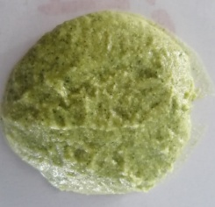 Appearance: Not green color Taste: Odor Texture: Powder with lump

14-16.Quantity&packaging info
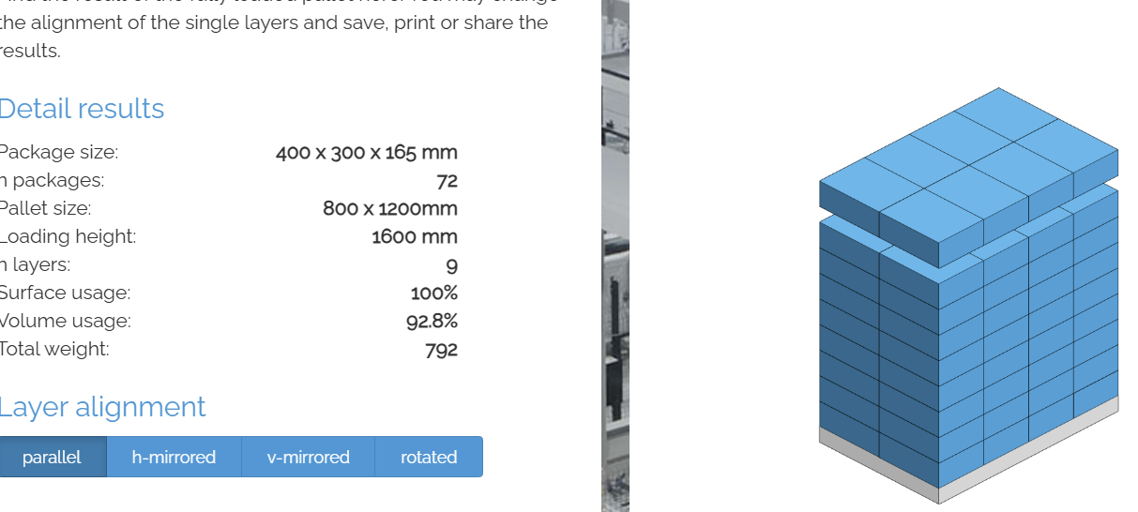
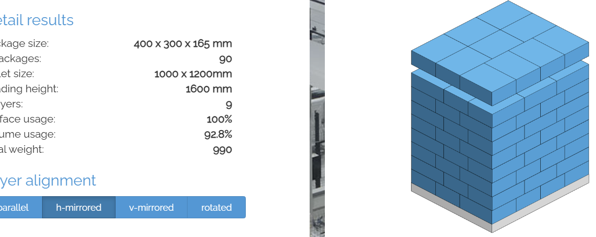
14.Quantity Attributes
 | Unit | Case
Unit Drained Weight (If Product contains liquid) | N/A | N/A
Net Weight | 1kg | 10kg
Gross Weight | 1.02kg | 11kg
Is the product packed in a Protective atmosphere? (if yes, indicate the composition on gases used if applicable) |  |  | No
Is the product vacuum packed? |  |  | No
Primary Package Plastic Material Comply with Commission Regulation (EU) No 10/2011 |  |  | Yes
15.Packaging Weight Dimensions
 | Description/Color | Materials *please indicate the plastic material from below 01-07 | Weight (g) | Dimensions (mm)

Primary： | Alimunium foil | PET12/AL7/PE80 | 20 | Length | 322
5060740660617 |  |  |  | Width | 215
 |  |  |  | Height
Secondary: | White | Corrugated paper carton | 800 | Length | 400
35060740660618 |  |  |  | Width | 300
 |  |  |  | Height | 165
20FCL Max Load | 1400ctns
40FCL Max Load | 1900ctns

16.Pallet Configuration
 | EU Pallet Configuration (0.8m x 1.2m) |  | UK Pallet Configuration (1.0m x 1.2m)
Cases per layer | 8 |  | 10
Number of layers | 9 |  | 9
Number of CTNs/Pallet | 72 |  | 90
Pallet Height | 1.485 |  | 1.485
Pallet Height incl Pallet 0.145m | 1.63
Pallet Top-View
 | *pallet height must lower than 1.75m

17-20.HACCP,Artwork&SpecAuthor.
17.Process Flow Chart- (showing all CCPs)
Please provide in the form a Critical Control Point (CCP), a description of the process/packing operations including processing times tempuratures where applicable and in process Safery Control Checks (CCP Summary) and Quality Checks.
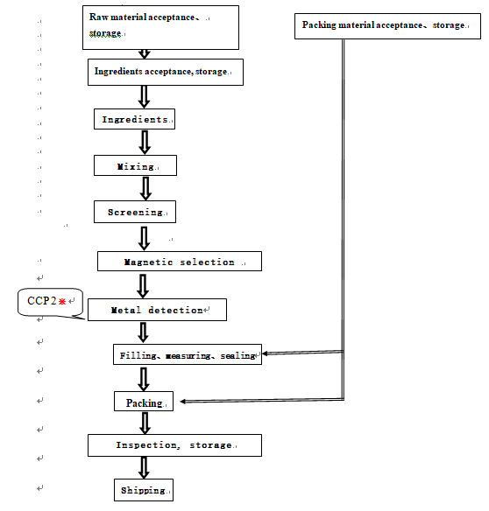

18.Critical Control Points
CCP | Control Measure |  | Critical Limit | Monitoring Frequency
CCP1 | Metal detection |  | Fe: Φ2.5mm; Sus: Φ3.0mm | Every hour
19.Artwork
Inner Label / Package Design artwork |  | Outer Label / Package Design artwork
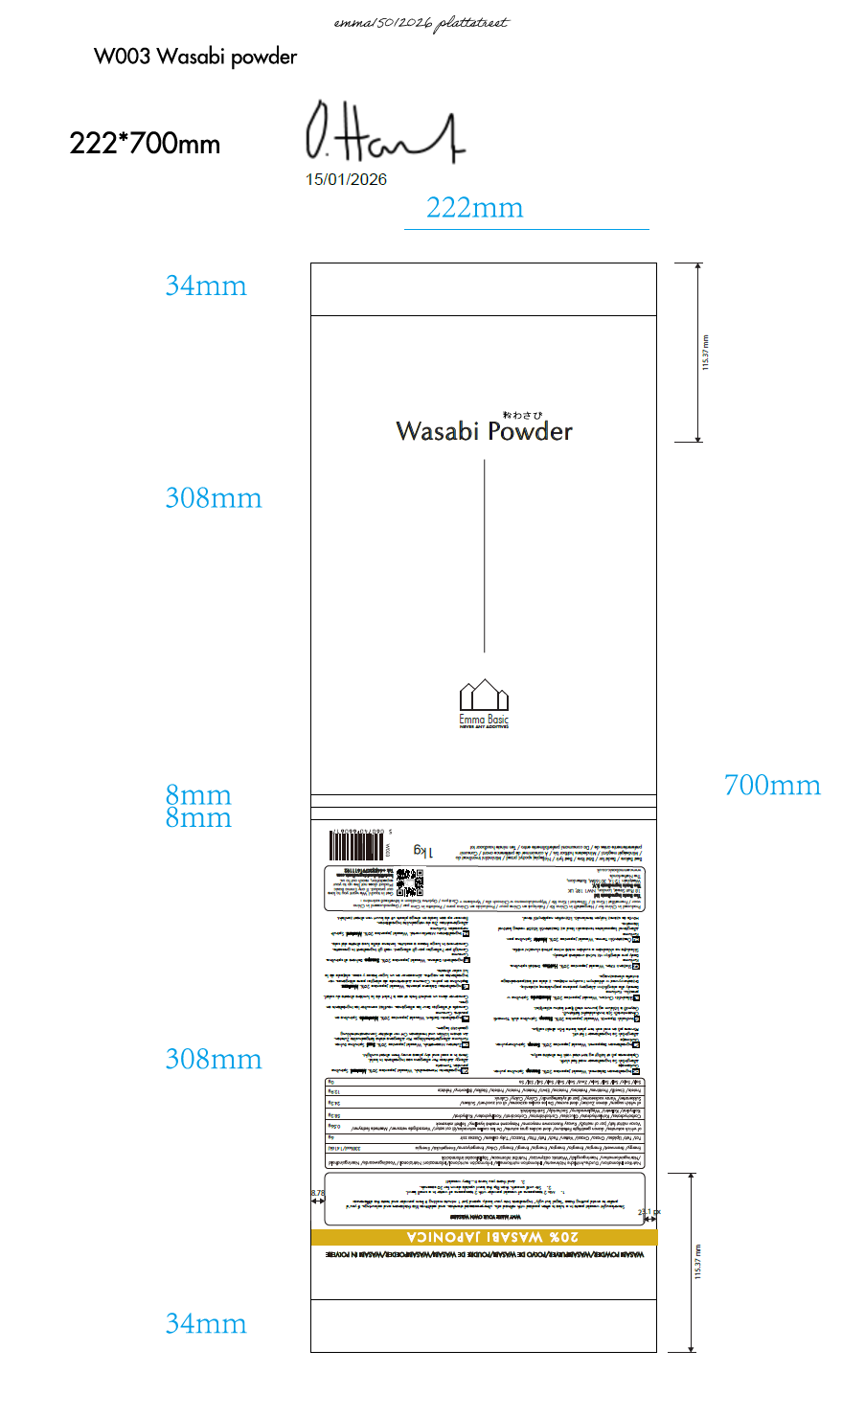 |  | 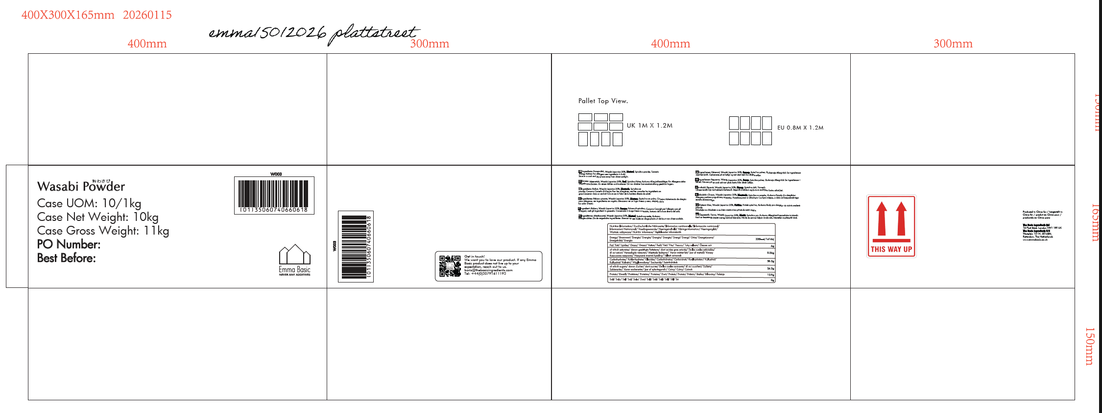

20.Packaging Photos
Finished Product with Primary package | Outer Case (Secondary) |  | Tertiary

21 Specification Authorization
1.Product to be supplied in accordance with this agreed specification. No changes are to be made without prior knowledge and prior written agreement of The Basic Ingredients Ltd technical department. 2.The contents of this specification are confidential and should not be disclosed to a third party without a written approval of The Basic Ingredients Ltd technical department.
Manufacture Name | Dalian Tianpeng Food Co., LTD
Signature
Print Name | Joanna Wang
Position in Company | Salesperson
Date

The Basic ingredients team use only
Signature | 杜 一静
Print Name | Emma Du
Position in Company | Director
Date | 03 March 2026 after phone call with Joanna

